A1
Target | Speed | Odom Reported | Actual | Diff bw odom and actual | % | Pass Fail | Summary | Target | Speed | Average Error | Avg % Error | Std Dev Error | Pass/Fail
1 | 0.1 | 0.9015 | 0.9 | 0.0015 | 0.1666666667 | PASS |  | 1 | 0.1 | 0.03394 | 3.669177449 | 0.03984128512 | PASS
1 | 0.1 | 0.8742 | 0.96 | 0.0858 | 8.9375 | FAIL |  | 1 | 0.3 | 0.0116 | 1.765043474 | 0.006566962768 | PASS
1 | 0.1 | 0.8226 | 0.89 | 0.0674 | 7.573033708 | FAIL |  | 3 | 0.1 | 0.10222 | 3.484715827 | 0.05283338906 | FAIL
1 | 0.1 | 0.8792 | 0.88 | 0.0008 | 0.09090909091 | PASS |  | 3 | 0.3 | 0.06894 | 2.548642211 | 0.03311386417 | FAIL
1 | 0.1 | 0.9142 | 0.9 | 0.0142 | 1.577777778 | PASS |  | 5 | 0.1 | 0.06306666667 | 1.312753266 | 0.002797022226 | FAIL
 |  |  | AVG | 0.03394 | 3.669177449 | PASS |  | 5 | 0.3 | 0.08676666667 | 1.830505926 | 0.005950070028 | FAIL
 |  |  | STDDEV | 0.03984128512 | 4.25560968
1 | 0.3 | 0.7394 | 0.76 | 0.0206 | 2.710526316 | PASS | Avg % Error | Target | 0.1 Speed | 0.3 Speed |  |  | Std Dev Error | Target | 0.1 Speed | 0.3 Speed
1 | 0.3 | 0.4449 | 0.46 | 0.0151 | 3.282608696 | PASS |  | 1 | 3.669177449 | 1.765043474 |  |  |  | 1 | 0.03984128512 | 0.006566962768
1 | 0.3 | 0.8039 | 0.81 | 0.0061 | 0.7530864198 | PASS |  | 3 | 3.484715827 | 2.548642211 |  |  |  | 3 | 0.05283338906 | 0.03311386417
1 | 0.3 | 0.6254 | 0.63 | 0.0046 | 0.7301587302 | PASS |  | 5 | 1.312753266 | 1.830505926 |  |  |  | 5 | 0.002797022226 | 0.005950070028
Avg %Error by Target and Speed
Std Dev of Error by Target and Speed
1 | 0.3 | 0.8484 | 0.86 | 0.0116 | 1.348837209 | PASS
 |  |  | AVG | 0.0116 | 1.765043474 | PASS
 |  |  | STDDEV | 0.006566962768 | 1.16888977
3 | 0.1 | 2.8782 | 2.93 | 0.0518 | 1.767918089 | FAIL
3 | 0.1 | 3.0958 | 2.94 | 0.1558 | 5.299319728 | FAIL
3 | 0.1 | 2.9085 | 2.95 | 0.0415 | 1.406779661 | PASS
3 | 0.1 | 3.0953 | 2.95 | 0.1453 | 4.925423729 | FAIL
3 | 0.1 | 3.0167 | 2.9 | 0.1167 | 4.024137931 | FAIL
 |  |  | AVG | 0.10222 | 3.484715827 | FAIL
 |  |  | STDDEV | 0.05283338906 | 1.797541096
3 | 0.3 | 2.8766 | 2.82 | 0.0566 | 2.007092199 | FAIL
3 | 0.3 | 2.8852 | 2.83 | 0.0552 | 1.950530035 | FAIL
3 | 0.3 | 2.7277 | 2.6 | 0.1277 | 4.911538462 | FAIL
3 | 0.3 | 2.778 | 2.72 | 0.058 | 2.132352941 | FAIL
3 | 0.3 | 2.7572 | 2.71 | 0.0472 | 1.741697417 | PASS
 |  |  | AVG | 0.06894 | 2.548642211 | FAIL
 |  |  | STDDEV | 0.03311386417 | 1.328415404
5 | 0.1 | 4.8201 | 4.88 | 0.0599 | 1.227459016 | FAIL
5 | 0.1 | 4.8759 | 4.94 | 0.0641 | 1.29757085 | FAIL
5 | 0.1 | 4.9952 | 4.93 | 0.0652 | 1.322515213 | FAIL
5 | 0.1 | 4.8543 | 4.92 | 0.0657 | 1.335365854 | FAIL
5 | 0.1 | 4.8422 | 4.91 | 0.0678 | 1.380855397 | FAIL | Avg Error | Target | 0.1 Speed | 0.3 Speed
 |  |  | AVG | 0.06306666667 | 1.312753266 | FAIL |  | 1 | 0.03394 | 0.0116
 |  |  | STDDEV | 0.002797022226 | 0.05645825839 |  |  | 3 | 0.10222 | 0.06894
5 | 0.3 | 4.5534 | 4.46 | 0.0934 | 2.094170404 | FAIL |  | 5 | 0.06306666667 | 0.08676666667
5 | 0.3 | 4.8319 | 4.75 | 0.0819 | 1.724210526 | FAIL
5 | 0.3 | 4.955 | 4.87 | 0.085 | 1.745379877 | FAIL
Avg Error by Target and Speed
5 | 0.3 | 4.8142 | 4.73 | 0.0842 | 1.78012685 | FAIL
5 | 0.3 | 4.7721 | 4.86 | 0.0879 | 1.808641975 | FAIL
 |  |  | AVG | 0.08676666667 | 1.830505926 | FAIL
 |  |  | STDDEV | 0.005950070028 | 0.150897479

A2
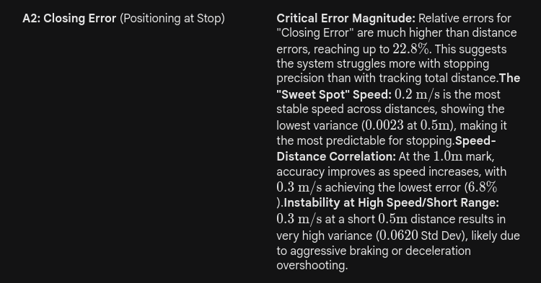
Target | Speed | Odom Closing Error | Actual Closing error | Diff | %diff | Pass Fail | Summary | Target | Speed | Avg Error | Avg % Error | Std Dev Error | Pass/Fail
0.5 | 0.1 | 0.0457 | 0.05 | 0.0043 | 8.6 | PASS |  | 0.5 | 0.1 | 0.01298 | 17.33545455 | 0.01403271178 | PASS
0.5 | 0.1 | 0.0944 | 0.1 | 0.0056 | 5.6 | PASS |  | 0.5 | 0.2 | 0.01436 | 10.3017674 | 0.002287575135 | PASS
0.5 | 0.1 | 0.0411 | 0.04 | 0.0011 | 2.75 | PASS |  | 0.5 | 0.3 | 0.0509 | 17.46317568 | 0.06200415309 | FAIL
0.5 | 0.1 | 0.0751 | 0.11 | 0.0349 | 31.72727273 | PASS |  | 1 | 0.1 | 0.02808 | 22.80150043 | 0.02185685247 | PASS
0.5 | 0.1 | 0.031 | 0.05 | 0.019 | 38 | PASS |  | 1 | 0.2 | 0.02574 | 14.32687719 | 0.007733563215 | PASS
 |  |  | AVG | 0.01298 | 17.33545455 | PASS |  | 1 | 0.3 | 0.0224 | 6.824456616 | 0.01587041272 | PASS
 |  |  | STDDEV | 0.01403271178 | 16.28582523
0.5 | 0.2 | 0.1322 | 0.15 | 0.0178 | 11.86666667 | PASS | Avg Error | Target | 0.1 m/s | 0.2 m/s | 0.3 m/s
0.5 | 0.2 | 0.1285 | 0.14 | 0.0115 | 8.214285714 | PASS |  | 0.5 | 0.01298 | 0.01436 | 0.0509
0.5 | 0.2 | 0.1162 | 0.13 | 0.0138 | 10.61538462 | PASS |  | 1 | 0.02808 | 0.02574 | 0.0224
0.5 | 0.2 | 0.1062 | 0.12 | 0.0138 | 11.5 | PASS
0.5 | 0.2 | 0.1451 | 0.16 | 0.0149 | 9.3125 | PASS
 |  |  | AVG | 0.01436 | 10.3017674 | PASS | Avg % Error | Target | 0.1 m/s | 0.2 m/s | 0.3 m/s
 |  |  | STDDEV | 0.002287575135 | 1.526372875 |  |  | 0.5 | 17.33545455 | 10.3017674 | 17.46317568
0.5 | 0.3 | 0.3389 | 0.32 | 0.0189 | 5.90625 | PASS |  | 1 | 22.80150043 | 14.32687719 | 6.824456616
0.5 | 0.3 | 0.4684 | 0.32 | 0.1484 | 46.375 | FAIL
0.5 | 0.3 | 0.3649 | 0.37 | 0.0051 | 1.378378378 | PASS
0.5 | 0.3 | 0.3147 | 0.32 | 0.0053 | 1.65625 | PASS | Std Dev Error | Target | 0.1 m/s | 0.2 m/s | 0.3 m/s
0.5 | 0.3 | 0.3168 | 0.24 | 0.0768 | 32 | FAIL |  | 0.5 | 0.01403271178 | 0.002287575135 | 0.06200415309
 |  |  | AVG | 0.0509 | 17.46317568 | FAIL |  | 1 | 0.02185685247 | 0.007733563215 | 0.01587041272
 |  |  | STDDEV | 0.06200415309 | 20.55088186
Avg Error by Target and Speed
Avg %Error by Target and Speed
1 | 0.1 | 0.2071 | 0.23 | 0.0229 | 9.956521739 | PASS
1 | 0.1 | 0.1368 | 0.15 | 0.0132 | 8.8 | PASS
1 | 0.1 | 0.2365 | 0.17 | 0.0665 | 39.11764706 | FAIL
1 | 0.1 | 0.0659 | 0.05 | 0.0159 | 31.8 | PASS
1 | 0.1 | 0.0681 | 0.09 | 0.0219 | 24.33333333 | PASS
 |  |  | AVG | 0.02808 | 22.80150043 | PASS
 |  |  | STDDEV | 0.02185685247 | 13.32827482
1 | 0.2 | 0.1512 | 0.19 | 0.0388 | 20.42105263 | PASS
1 | 0.2 | 0.1554 | 0.18 | 0.0246 | 13.66666667 | PASS
1 | 0.2 | 0.1392 | 0.16 | 0.0208 | 13 | PASS
1 | 0.2 | 0.1247 | 0.15 | 0.0253 | 16.86666667 | PASS
1 | 0.2 | 0.2308 | 0.25 | 0.0192 | 7.68 | PASS
 |  |  | AVG | 0.02574 | 14.32687719 | PASS
 |  |  | STDDEV | 0.007733563215 | 4.74254579
1 | 0.3 | 0.4741 | 0.48 | 0.0059 | 1.229166667 | PASS
1 | 0.3 | 0.3731 | 0.41 | 0.0369 | 9 | PASS
1 | 0.3 | 0.2569 | 0.29 | 0.0331 | 11.4137931 | PASS
1 | 0.3 | 0.2483 | 0.28 | 0.0317 | 11.32142857 | PASS
1 | 0.3 | 0.3756 | 0.38 | 0.0044 | 1.157894737 | PASS
Std Dev Error by Target and Speed
 |  |  | AVG | 0.0224 | 6.824456616 | PASS
 |  |  | STDDEV | 0.01587041272 | 5.230558009

B1
ground_truth_m | mean_m | std_m | error_m | Error % | Pass/Fail | n_samples | error_pct | min_reading | max_reading
0.17 | 0.156 | 0 | -0.014 | -8.235294118 | PASS | 50 | 8.24 | 0.156 | 0.156
0.25 | 0.2379 | 0.0001 | -0.0121 | -4.84 | PASS | 50 | 4.84 | 0.2377 | 0.238
0.5 | 0.4977 | 0.0001 | -0.0023 | -0.46 | PASS | 50 | 0.46 | 0.4973 | 0.4978
%Error for Distances
1 | 1.0018 | 0.0002 | 0.0018 | 0.18 | PASS | 50 | 0.18 | 1.0016 | 1.0023
2 | 1.9871 | 0.0006 | -0.0129 | -0.645 | PASS | 50 | 0.65 | 1.9857 | 1.988
3 | 3.0159 | 0.001 | 0.0159 | 0.53 | PASS | 50 | 0.53 | 3.0133 | 3.0187
4 | 4.0003 | 0.0037 | 0.0003 | 0.0075 | PASS | 50 | 0.01 | 3.996 | 4.008
5 | 4.9604 | 0.0017 | -0.0396 | -0.792 | PASS | 50 | 0.79 | 4.9573 | 4.964
6.5 | 6.4382 | 0.0017 | -0.0618 | -0.9507692308 | PASS | 50 | 0.95 | 6.4333 | 6.4427
8 | 8.5344 | 0.0556 | 0.5344 | 6.68 | PASS | 50 | 6.68 | 8.48 | 8.6187

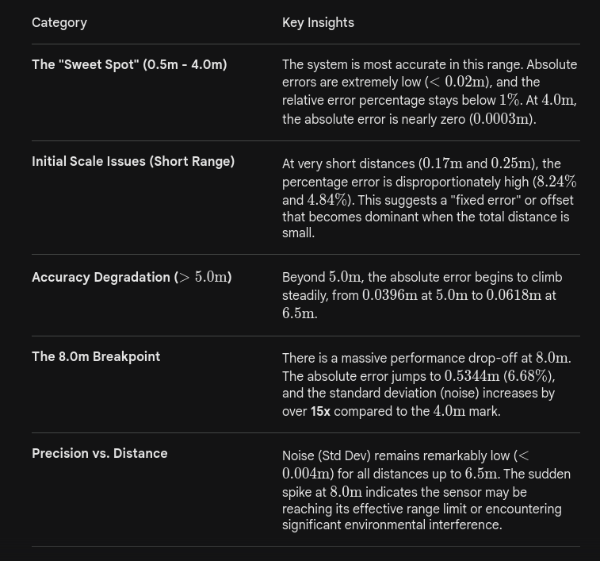

Std Dev and Error for Distances

C2
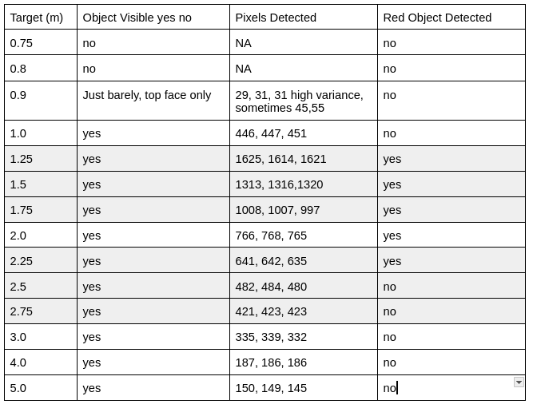
Target (m) | Object Visible yes no | Pixels Detected | Red Object Detected
0.75 | no | 0 | no
0.8 | no | 0 | no
0.9 | Top face only | 30 | no
1 | yes | 448 | no
1.25 | yes | 1620 | yes
1.5 | yes | 1316 | yes
1.75 | yes | 1004 | yes
2 | yes | 766 | yes
2.25 | yes | 639 | yes
2.5 | yes | 482 | no
2.75 | yes | 422 | no
3 | yes | 335 | no
4 | yes | 186 | no
5 | yes | 147 | no

